Minimal Data
x | f(x)
-6.2831853072 | -3.9790393203E-16 | Solution 1
-5.654237829 | 0.58770567124
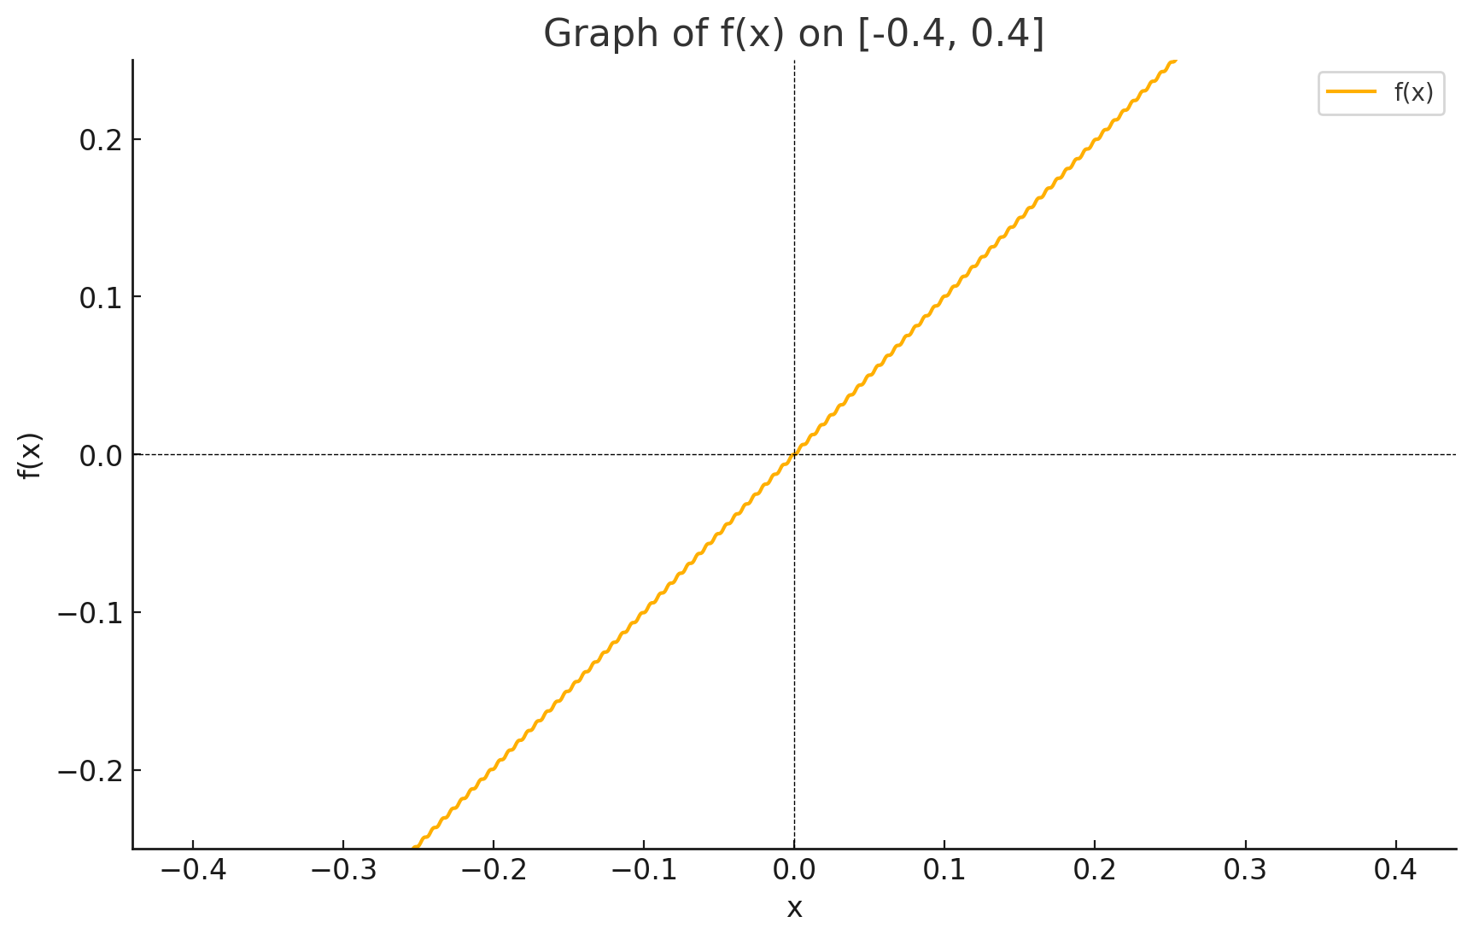
-5.0252903508 | 0.95049303021
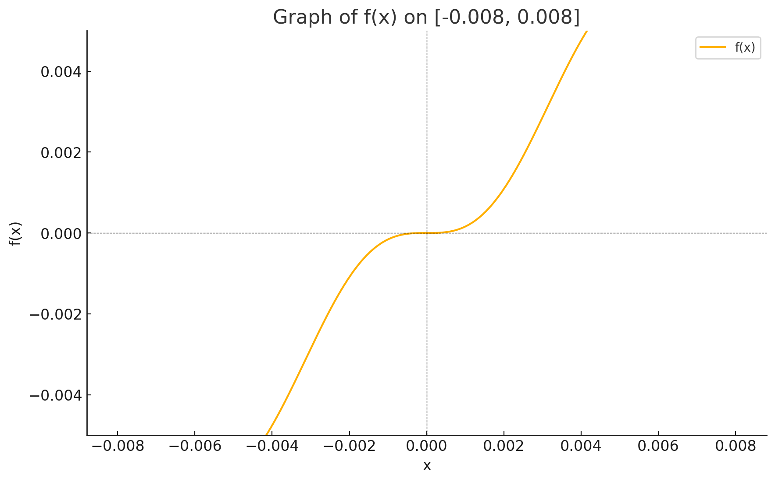
-4.3963428726 | 0.94952128554
-3.7673953944 | 0.58516232946
-3.1384479162 | -0.0031415874755
-2.509500438 | -0.59024320097
-1.8805529598 | -0.9514553751
-1.2516054816 | -0.94854015071
-0.62265800341 | -0.58261320081
0.006289474782 | 0.0062831438828
0.63523695298 | 0.59277489358
1.2641844312 | 0.95240831071
1.8931319094 | 0.94754963543
2.5220793876 | 0.58005831048
3.1510268658 | -0.0094246381537
3.779974344 | -0.59530072401
4.4089218222 | -0.9533518276
5.0378693004 | -0.94654974947
5.6668167785 | -0.57749768374

 |  |  |  | Solution 2

x | f(x)
-2 | -0.58578643763
-1.5555555556 | -0.30833642663
-1.1111111111 | -0.057018557722
-0.66666666667 | 0.14982991426
-0.22222222222 | 0.24918229857
0.22222222222 | 0.69362674301
0.66666666667 | 1.4831632476
1.1111111111 | 2.1652036645
1.5555555556 | 2.8027746845
2 | 3.4142135624

 |  |  |  | Solution 3
f(x) VS. X

x | f(x)
-2 | 0
-1 | 0
0 | 0
0.1 | 4.9
1 | 4
2 | 3
3 | 2
3.9 | 1.1
4 | 1
5 | 0

 |  |  | solution 6

Pressure (P) [lb/in²] | Tire Life (L) [thousands of miles]
26 | 50
28 | 66
31 | 78
35 | 81
38 | 74
42 | 70
45 | 59

